Pol Science
CLASS -11 MONTHLY SYLLABUS PLANNING 2023-2024
SUBJECT: POLITICAL SCIENCE
S.No | MONTH | No. OF WORKING DAYS | BOOKS | CONTENT | LEARNING OBJECTIVES | ACTIVITIES TO BE CONDUCTED | ASSESSMENTS
1 | April | 18 days | NCERT | CH 1,9,10 | Students will learn: 1.what a constitution means; 2. what a constitution does to the society; ± how constitutions govern the allocation of power in society; and 3. what was the way in which the Constitution of India was made CH 9 After studying this chapter you will find out that: ± the Indian Constitution can be amended according to the needs of the time; ± though many such amendments have already taken place, the Constitution has remained intact and its basic premises have not changed; ± the judiciary has played an important role in protecting the Constitution and also in interpreting the Constitution; and ± the Constitution is a document that keeps evolving and responding to changing situations. CH 10 After reading this chapter, you should be able to understand: ± why it is important to study the philosophy of the Constitution; ± what are the core features of the Indian Constitution; ± what are the criticisms of this Constitution; and ± what are the limitations of the Constitution? | CH 1 Activity Enact the thought experiment of this section in the classroom. The entire class should discuss and arrive at some decisions that would apply to everyone for this entire session. The decision could be about: ± How would the class representatives be chosen? ± Which decisions will the representative be able to take on behalf of the entire class? ± Are there some decisions that the class representative cannot take without consulting the entire class? ± You can add any other items to this list (collection of common kitty for the class, organisation of picnic and trips, sharing of common resources, …) as long as everyone agrees to it. Make sure that you include those subjects that have led to any differences in the past. ± How to revise these decisions in case you need to? CH 9 For making the following amendments to the Constitution of India, what conditions need to be fulfilled? Place a tick mark in the chart wherever applicable. Subject of amendment Special Ratification majority by States Citizenship clause Right to freedom of religion Changes in the Union List Changes in State boundaries Provision regarding Election Commission CH 10 Read again the quotes from the Debates of the Constituent Assembly (CAD) given in the following chapters. Do you think that the arguments in those quotations have relevance for our present times? Why? i. Quotes in Chapter two ii. Quote in Chapter seven | PT I

2 | May | 21 days | NCERT | CH 2 Rights CH 3 Elections | chapter, you would know ± what are the various Fundamental Rights listed in the Constitution of India; ± how these rights are protected; ± what role the judiciary has played in protecting and interpreting these rights; and ± what is the difference between the Fundamental Rights and the Directive Principles of State Policy. CH 3 you would understand: ± different methods of election; ± the characteristics of the system of election adopted in our country; ± the importance of the provisions for free and fair elections; and ± the debate on electoral reforms. | Case Studies In 1982 during the construction work for Asian Games the government engaged a few contractors. These contractors employed a large number of very poor construction workers from different parts of the country to build the flyovers and stadiums. These workers were kept in poor working conditions and were paid less than the minimum wages decided by the government. A team of social scientists studied their poor condition and petitioned the Supreme Court. They argued that employing a person to work for less than the minimum prescribed wage amounts to begar or forced labour, which is a violation of the Fundamental Right against exploitation. The court accepted this plea and directed the government to ensure that thousands of workers get the prescribed wages for their work. Machal Lalung was 23 when he was arrested. A resident of Chuburi village of Morigaon district of Assam, Machal was charged of causing grievous injuries. He was found mentally too unstable to stand trial and was sent as under trial to Lok Priya Gopinath Bordoloi Mental Hospital in Tejpur for treatment. Machal was treated successfully and doctors wrote twice to jail authorities in 1967 and 1996 that he was fit to stand trial. But no one paid any attention. Machal Lalung remained in “judicial custody.’’ Machal Lalung was released in July 2005. He was 77 then. He spent 54 years under custody during which his case never came up for hearing. He was freed when a team appointed by the National Human Rights Commission intervened after an inspection of undertrials in the State. CH 3 Activity Hold mock elections in your class to elect four class representatives. Hold the election in three different ways: ± Each student can give one vote. The four highest vote getters are elected. ± Each student has four votes and can give them all to one candidate or split the votes among different candidates. The four highest vote getters are elected. ± Each voter gives a preference ranking to candidates and the count
3 | July | 23 days (including PT I) | NCERT | Ch 5 legislature Ch 4 eexecutive | CH 5 You would know ± the importance of the legislature; ± the functions and powers of the Parliament of India; ± the law making procedure; ± how the Parliament controls the executive; and ± how the Parliament regulates itself CH 4 this chapter, you will be able to  make a distinction between the parliamentary and the presidential executive;  understand the constitutional position of the President of India;  know the composition and functioning of the Council of Ministers and the importance of the Prime Minister; and  understand the importance and functioning of the administrative machinery | ch 5 Consider these newspaper reports and then think: what would happen if there were no legislatures? After reading each news report, state how the legislature succeeded or failed in maintaining control over the executive. l 28th February 2002: The Union Finance Minister, Jaswant Singh, announced in the Union budget proposal an increase of Rs. 12 in the price of a 50 kg bag of urea and a smaller increase in the price of two other fertilizers which constituted about 5 per cent rise in prices. The current urea price of Rs. 4,830 a tonne carries a subsidy of as much as 80 per cent. CH 4 Procure a photograph of the SAARC summit meeting or the meeting of G-7 countries and list those who attended the meeting. Can you imagine why those people and not some others are attending the meeting?
...
S.NO | EXAM |  | MONTH | SYLLABUS
3 | PT III |  | Nov-23 | Bk 2 CH 1,2,3
4 | Annual Exams |  | Feb onwards | BK 1 CH 1,2,3,4,5,6,8,9 10 BK 2 CH 1,2,3,4,6,7,10

 | Note :
 | 1. The total number of working days include Internal Assessments and Test/ Examinations.
 | 2. Blueprint of the question papers must be added.
 | 3. Syllabus for various exams have to be added.
 | 4. Amendments to be applied as per CBSE guidelines.

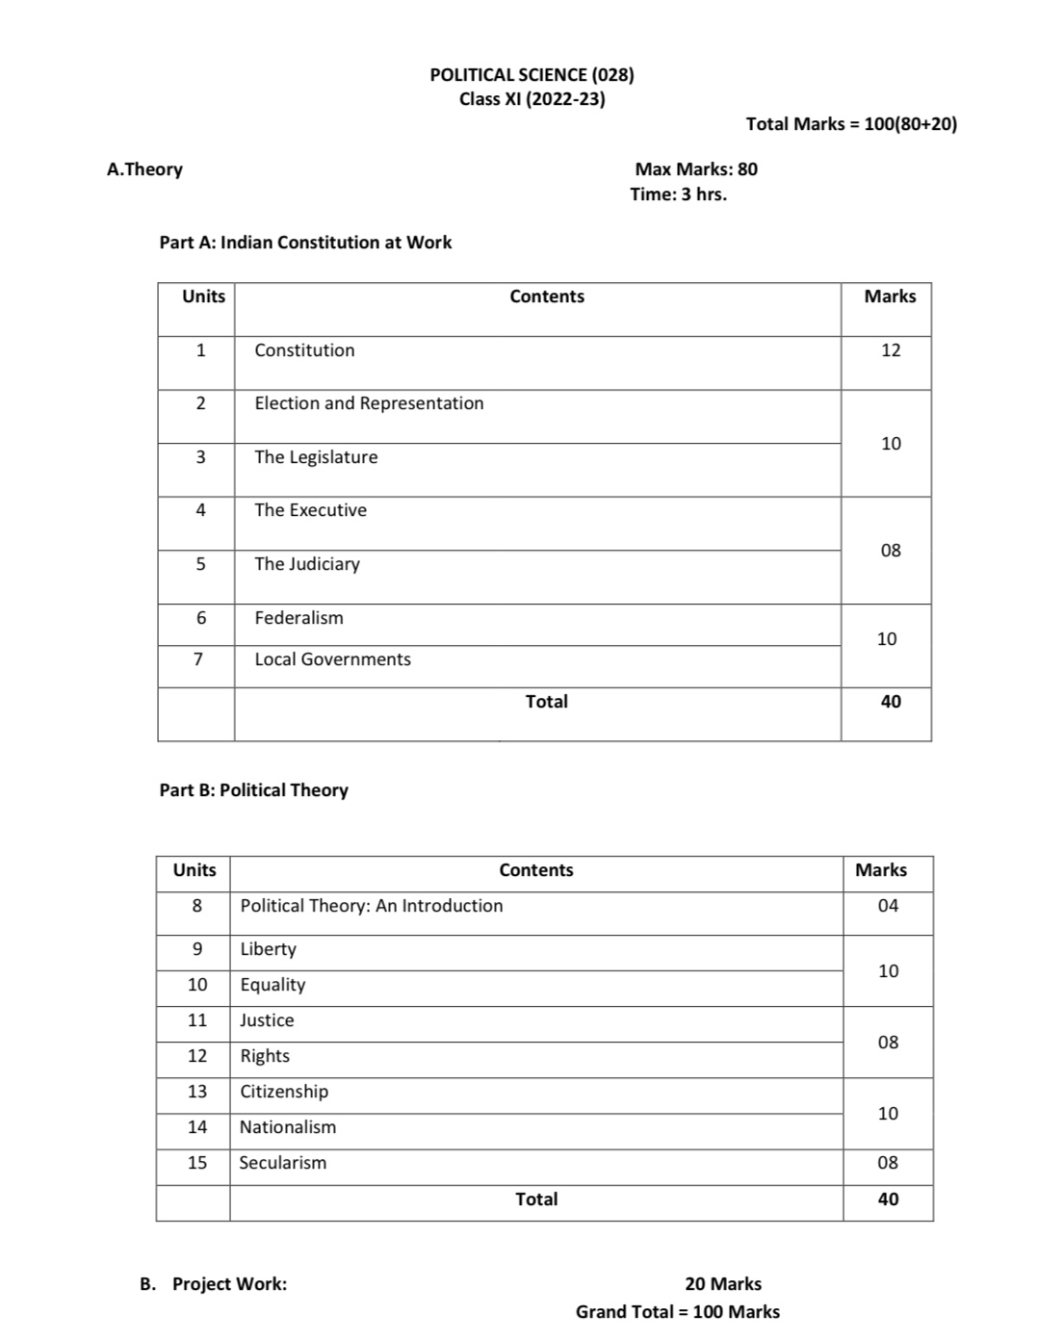

Maths
CLASS -11 MONTHLY SYLLABUS PLANNING 2023-2024
SUBJECT : MATHEMATICS CLASS : XI
S.No | MONTH | No. OF WORKING DAYS | BOOKS | CONTENT | LEARNING OBJECTIVES | ACTIVITIES TO BE CONDUCTED | ASSESSMENT
1 | April | 18 days | NCERT Textbook NCERT Exampler Reference Book - Mathematics by R.D. Sharma | 1. Sets : Sets and their representations, Empty set, Finite and Infinite sets, Equal sets, Subsets, Subsets of a set of real numbers especially intervals (with notations). Universal set. Venn diagrams. Union and Intersection of sets. Difference of sets. Complement of a set. Properties of Complement. 2. Relations & Functions : Ordered pairs. Cartesian product of sets. Number of elements in the Cartesian product of two finite sets. Cartesian product of the set of reals with itself (upto R x R x R).Definition of relation, pictorial diagrams, domain, co-domain and range of a relation. Function as a special type of relation. Pictorial representation of a function, domain, co-domain and range of a function. Real valued functions, domain and range of these functions, constant, identity, polynomial, rational, modulus, signum, exponential, logarithmic and greatest integer functions, with their graphs. Sum, difference, product and quotients of functions. | The Learner Develops the idea of Set from the earlier learnt concepts in number system , geometry etc. Identifies relations between different sets. | Activity 1,3 & 5 of NCERT Lab Manual. | PT - I Exam Chapter - 1 to 4
$$\sin^{2}x+\cos^{2}x=1$$
2 | May | 21 days |  | 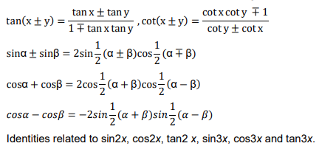 3. Trigonometric Functions : Positive and negative angles. Measuring angles in radians and in degrees and conversion from one measure to another. Definition of trigonometric functions with the help of unit circle. Truth of the identity for all x. Signs of trigonometric functions. Domain and range of trigonometric functions and their graphs. Expressing sin (x±y) and cos (x±y) in terms of sinx, siny, cosx & cosy and their simple applications. Deducing identities like the following: | The Learner Relates earlier learnt concept of trigonometric ratios to functions and evolves the idea of trigonometric functions. | Worksheets to be given. Activity 9 of NCERT Lab Manual.
3 | July | 23 days (Including PT I) |  | 4. Complex Numbers and Quadratic Equations : Need for complex numbers, especially √−1, to be motivated by inability to solve some of the quadratic equations. Algebraic properties of complex numbers. Argand plane. | The Learner Extends the idea of real numbers to a larger system of complex numbers. Demonstrates strategies for solving systems of linear inequalities. | Worksheets to be given.
4 | August | 23 days |  | 5. Linear Inequalities : Algebraic solutions of linear inequalities in one variable and their representation on the number line. 6. Permutations and Combinations : Fundamental principle of counting. Factorial n. (n!) Permutations and combinations, derivation of Formulae for nPr and nCr and their connections, simple applications. | The Learner Applies the ideas of permutations and combinations to daily life situations of arranging and grouping the objects. | Worksheets to be given. Activity 15 of NCERT Lab Manual. | PT - II / Mid Term Exam Chapter - 1 to 7
5 | September | 21 days (including PT II / Mid Term Examination) |  | 7. Binomial Theorem : Historical perspective, statement and proof of the binomial theorem for positive integral indices. Pascal’s triangle, simple applications. | The Learner Develops the idea of Binomial theorem for a positive integral index from the earlier learnt concepts of finding squares and cubes of binomials. | Activity 18 of NCERT Lab Manual.
6 | October | 20 days |  | 8. Sequence and Series : Sequence and Series. Arithmetic Mean (A.M.) Geometric Progression (G.P.), general term of a G.P., sum of n terms of a G.P., infinite G.P. and its sum, geometric mean (G.M.), relation between A.M. and G.M. 9. Straight Lines : Brief recall of two dimensional geometry from earlier classes. Slope of a line and angle between two lines. Various forms of equations of a line: parallel to axis, point -slope form, slope-intercept form, two-point form, intercept form, Distance of a point from a line. | The Learner Extends the ideas related to Arithmetic progressions learnt earlier to new types of sequences and their series. Constructs different forms of a straight line using the earlier learnt concepts of coordinate geometry. | Activity 22 of NCERT Lab Manual. | PT - III Exam Chapter - 8 to 10
7 | November | 19 days (Including PT III) |  | 10. Conic Sections : Sections of a cone: circles, ellipse, parabola, hyperbola, a point, a straight line and a pair of intersecting lines as a degenerated case of a conic section. Standard equations and simple properties of parabola, ellipse and hyperbola. Standard equation of a circle. 11. Introduction to Three-dimensional Geometry : Coordinate axes and coordinate planes in three dimensions. Coordinates of a point. Distance between two points. | The Learner Analyses different curves like circles, ellipses, parabolas and hyperbolas based on the ideas developed for straight lines using coordinates. Develops strategies of locating a point in three dimensions based on the concepts of two dimensional coordinate geometry. | Worksheets to be given.
8 | December | 22 days |  | 12. Limits and Derivatives : Derivative introduced as rate of change both as that of distance function and geometrically. Intuitive idea of limit. Limits of polynomials and rational functions trigonometric, exponential and logarithmic functions. Definition of derivative relate it to scope of tangent of the curve, derivative of sum, difference, product and quotient of functions. Derivatives of polynomial and trigonometric functions 13. Statistics : Measures of Dispersion: Range, Mean deviation, variance and standard deviation of ungrouped/grouped data. | The Learner Evolves the concepts of limit and derivative of a function by analyzing the behaviour of functions when the corresponding variable approaches a certain value. Applies Measures of dispersion to get a better interpretation of data of different daily life situations. | Activity 29 of NCERT Lab Manual.
9 | January | 18 days |  | 14. Probability : Events; occurrence of events, ‘not’, ‘and’ and ‘or’ events, exhaustive events, mutually exclusive events, Axiomatic (set theoretic) probability, connections with other theories of earlier classes. Probability of an event, probability of ‘not’, ‘and’ and ‘or’ events | The Learner Builds up the axiomatic approach to Probability through the terms, random experiment, Sample space, events etc. | Activity 32 & 33 of NCERT Lab Manual.
10 | February Onwards | 23 days (Including annual exams) |  | Revision & Annual Exams |  |  | Annual Exam

EXAM SCHEDULE
S.NO | EXAM | MONTH | SYLLABUS
1 | PT I | July | Chapter - 1 to 4
2 | PT II/Mid Term | September | Chapter - 1 to 7
3 | PT III | November | Chapter - 8 to 10
4 | Annual Exams | February/March | Full Syllabus
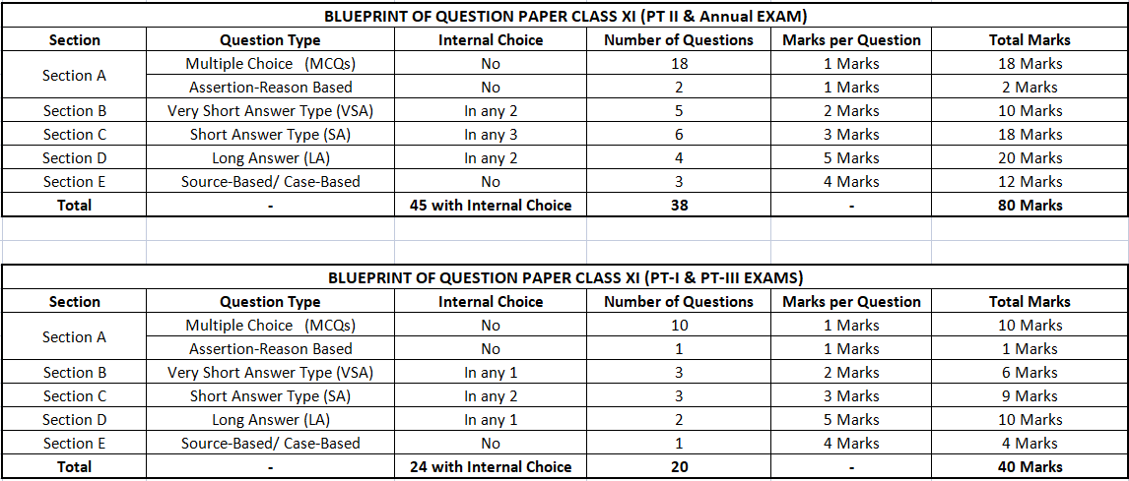

Psychology
...
CLASS -11 MONTHLY SYLLABUS PLANNING 2023-2024
2 | May | 21 days |  | Unit 2 - Methods of Enquiry in Psychology - Introduction, Goals of Psychological Enquiry , Steps in Conducting Scientific Research, Alternative Paradigms of Research, Nature of Psychological Data, Some Important Methods in Psychology - Observational Method, Experimental Method, Correlational Research, Survey Research, Psychological Testing, Case Study, Analysis of Data -Quantitative Method, Qualitative Method, Limitations of Psychological Enquiry, Ethical Issues | The learner will be able to - (i)explain the goals and nature of psychological enquiry, (ii)understand different types of data used by psychologists, (iii)describe some important methods of psychological enquiry, (iv)understand the methods of analysing data, and (v)learn about the limitations of psychological enquiry and ethical considerations. | 1. Types of psychological tests will be shown in the class. 2. Examples of various studies where different methods have been used will be discussed in the class.
3 | July | 24 days ( including PT I) |  | Unit 3- Deleted from syllabus Unit 4 - Human Development - Introduction, Meaning of Development, Life-Span Perspective on Development, Factors Influencing Development, Context of Development, Overview of Developmental Stages - Prenatal Stage, Infancy, Childhood, Challenges of Adolescence, Adulthood and Old Age | The learner will be able to- (i) describe the meaning and process of development, (ii)explain the influence of heredity, environment and context on human development, (iii) identify the stages of development and describe the major characteristics of infancy, childhood, adolescence, adulthood and old age, and (iv) reflect on your own course of development and related experiences. | 1. Class Presentations on allotted topics 2. Clarification of doubts and revision for PT I
4 | August | 23 days |  | Unit 5 - Sensory, Attentional and Perceptual Processes Introduction, Knowing the world, Nature and varieties of Stimulus, Sense Modalities, Functional limitation of sense organs, Attentional Processes, Selective Attention, Sustained Attention, Perceptual Processes, Processing Approaches in Perception, The Perceiver, Principles of Perceptual Organisation, Perception of Space, Depth and Distance, Monocular Cues and Binocular Cues, Perceptual Constancies Illusions, Socio-Cultural Influences on Perception. Unit 6 - Learning- Introduction, Nature of Learning Paradigms of Learning, Classical Conditioning, Determinants of Classical Conditioning, Operant/Instrumental Conditioning Determinants of Operant Conditioning, Practical - Span of Attention | The learner will be able to -(i) understand the nature of sensory processes,(ii)explain the processes and types of attention, (iii)analyse the problems of form and space perception,(iv) examine the role of socio-cultural factors in perception, and (v) reflect on sensory, attentional and perceptual processes in everyday life. | 1. Discussion of various examples explaining the absolute threshold of various senses. 2. Study of various paintings to identify the pictorial cues of depth perception. | PT II/Mid term Exam (Unit 1,2,4,5 &6)
5 | September | 21 days (includingPTII/ Mid Term Examination) |  | Unit 6 (CONTD)- Key Learning Processes, Observational Learning, Cognitive Learning Verbal Learning, Skill Learning, Factors Facilitating Learning Learning Disabilities | The learner will be able to - (i) describe the nature of learning,(ii) explain different forms or types of learning and the procedures used in such types of learning, (iii)understand various psychological processes that occur during learning and influence its course, (iv)explain the determinants of learning, and (v)familiarise yourself with some applications of learning principles. | 1. Videos on Classical/ operant and observational learning will be shown in the class.
6 | October | 20 days |  | Unit 7 - Human Memory -Introduction, Nature of memory Information Processing Approach : The Stage Model Memory Systems : Sensory, Short-term and Longterm Memories, Levels of Processing,Types of Long-term Memory, Declarative and Procedural; Episodic and Semantic ,Nature and Causes of Forgetting, Forgetting due to Trace Decay, Interference and Retrieval Failure, Enhancing Memory - Mnemonics using Images and Organisation. Practical - Recall of complete and incomplete tasks. | The learner will be able to - (i) understand the nature of memory, (ii)distinguish between different types of memory,(iii)explain how the contents of long-term memory are represented and organised, (iv) appreciate the constructive and reconstructive processes in memory,(v)understand the nature and causes of forgetting, and (vi) learn the strategies for improving memory. | Class test | PT III EXAM (Unit 7 & 8)
7 | November | 19 days (including PT III) |  | Unit 8 -Thinking - Introduction, Nature of Thinking, Building Blocks of Thought, The Processes of Thinking, Problem Solving, Reasoning, Decision-making, Nature and Process of Creative Thinking, Nature of Creative Thinking, Process of Creative Thinking, Thought and Language,Development of Language and Language Use. | The learner will be able to - (i)understand the nature of memory, (ii) distinguish between different types of memory, (iii) explain how the contents of long-term memory are represented and organised, (iv) appreciate the constructive and reconstructive processes in memory, (v) understand the nature and causes of forgetting, and (vi) learn the strategies for improving memory. | Celebrations of World Mental health Day.
8 | December | 22 days |  | Unit 9 -Motivation and Emotion -Introduction, Nature of Motivation, Types of Motives - Biological Motives, Psychosocial Motives, Maslow’s Hierarchy of Needs, Nature of Emotions, Expression of Emotions, Culture and Emotional Expression, Culture and Emotional Labelling Managing Negative Emotions, Enhancing Positive Emotions | The learner will be able to - (i)understand the nature of memory, (ii)distinguish between different types of memory, (iii)explain how the contents of long-term memory are represented and organised, (iv)appreciate the constructive and reconstructive processes in memory, (v)understand the nature and causes of forgetting, and (vi) learn the strategies for improving memory.
9 | January | 18 days |  | REVISION
10 | February Onwards | 23 days (Including annual exams) |  | REVISION & ANNUAL EXAMS |  |  | ANNUAL EXAMS

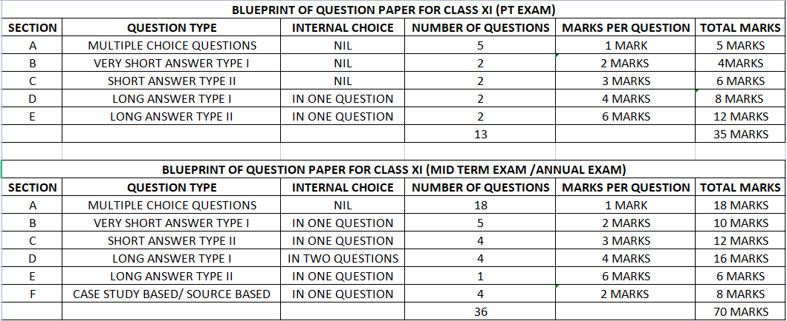
EXAM SCHEDULE
S.NO | EXAM | MONTH | SYLLABUS
1 | PT I | July | Unit 1,2 & 4
2 | PT II/ Mid Term | September | Unit 1,2, 4,5 & 6
3 | PT III | November | Unit 7 & 8
4 | Annual Exams | February/ March | Full Syllabus

